matches win by team
Count of toss_winner | Column Labels
Row Labels | bat | field | Grand Total
Mumbai Indians | 3 | 9 | 12
Rising Pune Supergiant |  | 10 | 10
matches win by team wrt bat first and field first since 2007
 | bat | field
Mumbai Indians | 3 | 9
Rising Pune Supergiant |  | 10
Kolkata Knight Riders | 1 | 8
Sunrisers Hyderabad | 2 | 6
Kings XI Punjab | 1 | 6
Delhi Daredevils | 2 | 4
Gujarat Lions |  | 4
Royal Challengers Bangalore | 2 | 1
Kolkata Knight Riders | 1 | 8 | 9
Sunrisers Hyderabad | 2 | 6 | 8
Kings XI Punjab | 1 | 6 | 7
Delhi Daredevils | 2 | 4 | 6
Gujarat Lions |  | 4 | 4
Royal Challengers Bangalore | 2 | 1 | 3
Grand Total | 11 | 48 | 59

toss based decision
Toss decision based winning%
Row Labels | Count of winner
bat | 18.64%
field | 81.36%
Grand Total | 100.00%

top 10 venus
top 10 versus with most matches and winning based on bat first &field first
 | bat | field
Green Park |  | 2
Holkar Cricket Stadium | 1 | 2
Punjab Cricket Association IS Bindra Stadium, Mohali |  | 4
Saurashtra Cricket Association Stadium | 1 | 4
Eden Gardens |  | 7
Maharashtra Cricket Association Stadium |  | 7
Feroz Shah Kotla | 4 | 3
M Chinnaswamy Stadium | 1 | 7
Rajiv Gandhi International Stadium, Uppal | 3 | 5
Wankhede Stadium | 1 | 7
Count of winner | Column Labels
Row Labels | bat | field | Grand Total
Green Park |  | 2 | 2
Holkar Cricket Stadium | 1 | 2 | 3
Punjab Cricket Association IS Bindra Stadium, Mohali |  | 4 | 4
Saurashtra Cricket Association Stadium | 1 | 4 | 5
Eden Gardens |  | 7 | 7
Maharashtra Cricket Association Stadium |  | 7 | 7
Feroz Shah Kotla | 4 | 3 | 7
M Chinnaswamy Stadium | 1 | 7 | 8
Rajiv Gandhi International Stadium, Uppal | 3 | 5 | 8
Wankhede Stadium | 1 | 7 | 8
Grand Total | 11 | 48 | 59

top 10 mom
top 10 MoM award winners
Row Labels | Count of player_of_match | player of match | mom won
BA Stokes | 3 | BA Stokes | 3
NM Coulter-Nile | 3 | NM Coulter-Nile | 3
N Rana | 2 | N Rana | 2
Sandeep Sharma | 2 | Sandeep Sharma | 2
Rashid Khan | 2 | Rashid Khan | 2
JD Unadkat | 2 | JD Unadkat | 2
RV Uthappa | 2 | RV Uthappa | 2
KH Pandya | 2 | KH Pandya | 2
AJ Tye | 2 | AJ Tye | 2
SP Narine | 2 | SP Narine | 2
MJ McClenaghan | 1
CJ Anderson | 1
MS Dhoni | 1
GJ Maxwell | 1
S Dhawan | 1
HM Amla | 1
Mohammed Shami | 1
HV Patel | 1
CH Gayle | 1
JC Buttler | 1
RR Pant | 1
AT Rayudu | 1
G Gambhir | 1
JJ Bumrah | 1
MM Sharma | 1
KA Pollard | 1
Mohammed Siraj | 1
B Kumar | 1
CA Lynn | 1
SK Raina | 1
RA Tripathi | 1
SPD Smith | 1
RG Sharma | 1
SV Samson | 1
DA Warner | 1
WP Saha | 1
DR Smith | 1
AR Patel | 1
LMP Simmons | 1
KK Nair | 1
SS Iyer | 1
KM Jadhav | 1
Washington Sundar | 1
KS Williamson | 1
Yuvraj Singh | 1
KV Sharma | 1
LH Ferguson | 1
Grand Total | 59

Dashboard
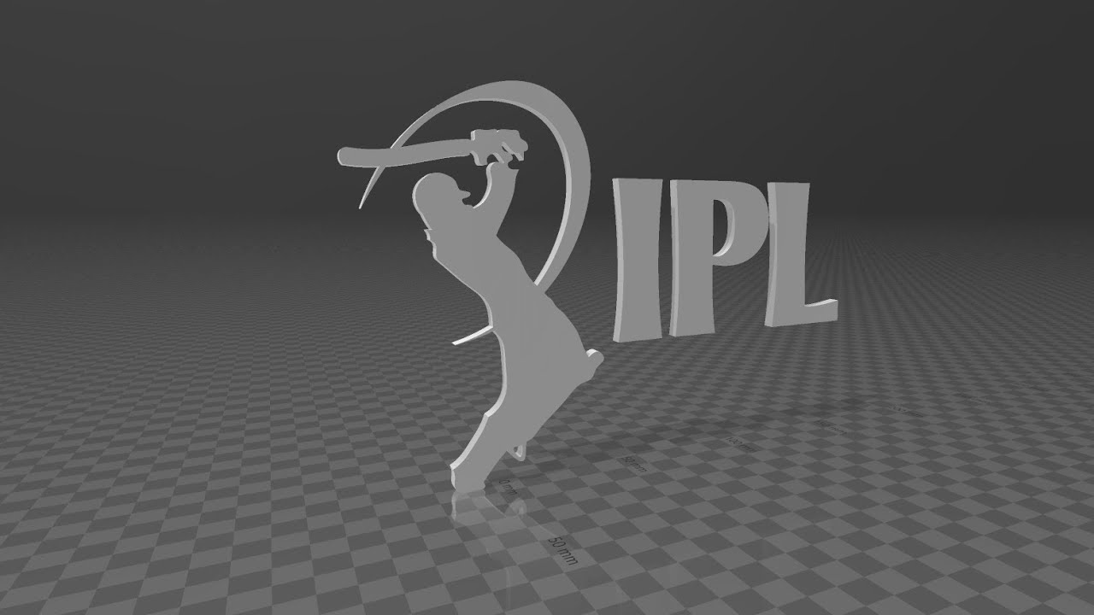
INDIAN PREMIER LEAGUE ANALYSIS
Season
IPL-2017
Winner
Mumbai Indians
Runner Up
Rising Pune Supergiants
Player of the Series
Ben Stokes

matches win by team wrt bat first and field first since 2007
 | bat | field
Mumbai Indians | 3 | 9
Rising Pune Supergiant |  | 10
Kolkata Knight Riders | 1 | 8
Sunrisers Hyderabad | 2 | 6
Kings XI Punjab | 1 | 6
Delhi Daredevils | 2 | 4
Gujarat Lions |  | 4
Royal Challengers Bangalore | 2 | 1
Toss decision based winning%
 | Total
bat | 18.64%
field | 81.36%
top 10 versus with most matches and winning based on bat first &field first
 | bat | field
Green Park |  | 2
Holkar Cricket Stadium | 1 | 2
Punjab Cricket Association IS Bindra Stadium, Mohali |  | 4
Saurashtra Cricket Association Stadium | 1 | 4
Eden Gardens |  | 7
Maharashtra Cricket Association Stadium |  | 7
Feroz Shah Kotla | 4 | 3
M Chinnaswamy Stadium | 1 | 7
Rajiv Gandhi International Stadium, Uppal | 3 | 5
Wankhede Stadium | 1 | 7

top 10 MoM award winners
BA Stokes | 3
NM Coulter-Nile | 3
N Rana | 2
Sandeep Sharma | 2
Rashid Khan | 2
JD Unadkat | 2
RV Uthappa | 2
KH Pandya | 2
AJ Tye | 2
SP Narine | 2

